Type 1A
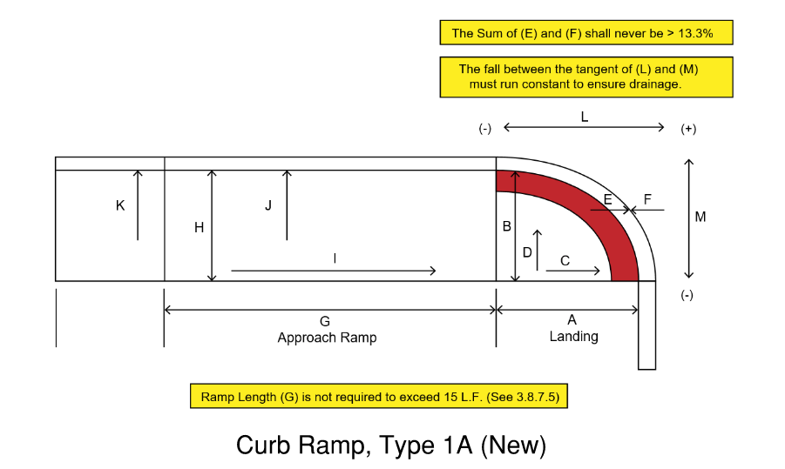

 |  |  |  |  |  |  |  |  |  |  |  |  |  |  |  |  |  |  |  |  |  |  |  |  |  |  | Compliant | Practical Exception
 |  |  |  |  |  |  |  |  |  |  |  |  |  |  |  |  |  | Drainage | Curb Height (In.) | Constraint | Pinch Point Width (In.) |  | Vertical Difference |  | Crosswalk | Stop Bar Offset

 |  |  |  | Landing |  |  |  | Counter Slope |  |  | Approach Ramp |  |  |  | Road Grade
Date | Ramp ID | Loc. | Dir. | A | B | C | D | E | F | E+F | G | H | I | J | K | L | M |  |  |  |  | Gap (In.) |  | Height (In.) |  |  |  |  | Comments
 |  |  |  | Inches | Inches | % | % | % | % | % | Feet | Inches | % | % | % | % | % |  |  |  |  |  |  |  | Feet | Feet

 | Contract No. | #REF! |  |  |  | ADA Reviewer |  |  | #REF! |  |  |  |  |  |  |  | Field Inspector |  |  |  |  | #REF!

 | F.A.P. No. | #REF! |  |  |  | ADA Coordinator |  |  | #REF! |  |  |  |  |  |  |  | Project Supervisor |  |  |  |  | #REF!

Type 1B
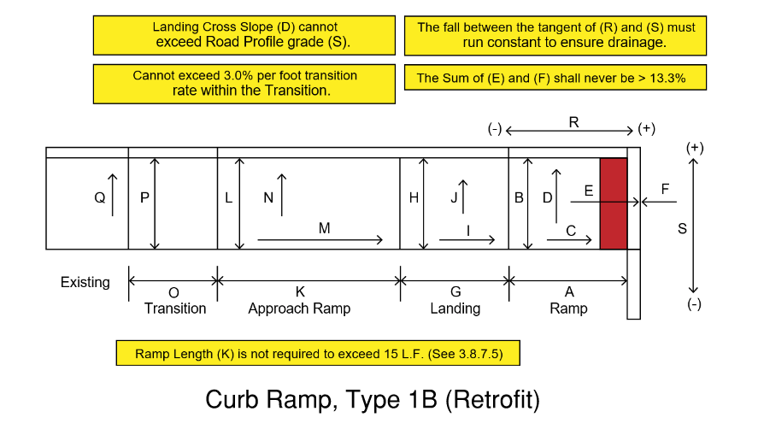

 |  |  |  |  |  |  |  |  |  |  |  |  |  |  |  |  |  |  |  |  |  |  |  |  |  |  |  |  |  |  | Compliant | Practical Exception
 |  |  |  |  |  |  |  |  |  |  |  |  |  |  |  |  |  |  |  |  |  | Drainage | Curb Height (In.) | Constraint | Pinch Point Width (In.) |  | Vertical Difference |  | Crosswalk | Stop Bar Offset

 |  |  |  | Ramp |  |  |  | Counter Slope |  |  | Landing |  |  |  | Approach Ramp |  |  | Road Grade |  | Transition
Date | Ramp ID | Loc. | Dir. | A | B | C | D | E | F | E+F | G | H | I | J | K | L | M | N | O | P | Q |  |  |  |  | Gap (In.) |  | Height (In.) |  |  |  |  | Comments
 |  |  |  | Inches | Inches | % | % | % | % | % | Inches | Inches | % | % | Feet | % | % | % | % | Inches | % |  |  |  |  |  |  |  | Feet | Feet

 | Contract No. | #REF! |  |  |  | ADA Reviewer |  |  | #REF! |  |  |  |  |  |  |  |  |  | Field Inspector |  |  |  |  |  |  | #REF!

 | F.A.P. No. | #REF! |  |  |  | ADA Coordinator |  |  | #REF! |  |  |  |  |  |  |  |  |  | Project Supervisor |  |  |  |  |  |  | #REF!

Type 2A
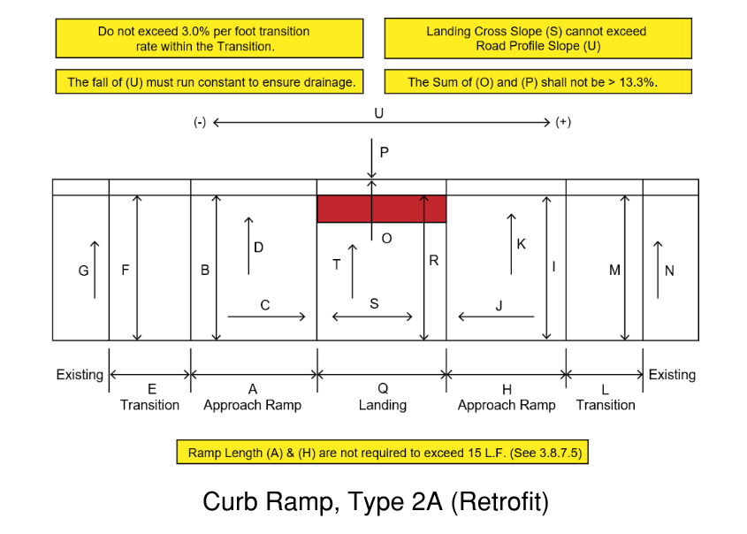

 |  |  |  |  |  |  |  |  |  |  |  |  |  |  |  |  |  |  |  |  |  |  |  |  |  |  |  |  |  |  |  |  | Crosswalk | Stop Bar Offset | Compliant | Practical Exception
 |  |  |  |  |  |  |  |  |  |  |  |  |  |  |  |  |  |  |  |  |  |  |  |  |  | Drainage | Curb Height (In.) | Constraint | Pinch Point Width (In.) |  | Vertical Difference

 |  |  |  | Approach Ramp |  |  |  | Approach Ramp |  |  |  | Counter Slope |  | Landing
Date | Ramp ID | Loc. | Dir. | A | B | C | D | E | F | G | H | I | J | K | L | M | N | O | P | O + P | Q | R | S | T | U |  |  |  |  | Gap (In.) |  | Height (In.) |  |  |  |  | Comments
 |  |  |  | Feet | Inches | % | % | Inches | Inches | % | Feet | Inches | % | % | Inches | Inches | % | % | % | % | Inches | Inches | % | % | % |  |  |  |  |  |  |  | Feet | Feet

 | Contract No. |  | #REF! |  |  | ADA Reviewer |  | #REF! |  |  |  |  |  |  | Field Inspector |  |  | #REF!

 | F.A.P. No. |  | #REF! |  |  | ADA Coordinator |  | #REF! |  |  |  |  |  |  | Project Supervisor |  |  | #REF!

Type 2B
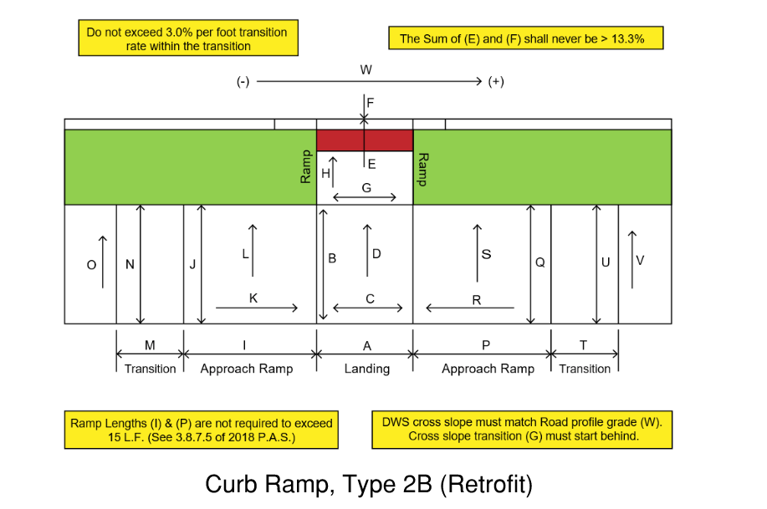

 |  |  |  |  |  |  |  |  |  |  |  |  |  |  |  |  |  |  |  |  |  |  |  |  |  |  |  |  |  |  |  |  |  |  | Crosswalk | Stop Bar Offset | Compliant | Practical Exception
 |  |  |  |  |  |  |  |  |  |  |  |  |  |  |  |  |  |  |  |  |  |  |  |  |  |  |  | Drainage | Curb Height (In.) | Constraint | Pinch Point Width (In.) |  | Vertical Difference

 |  |  |  | Landing |  |  |  | Counter Slope |  |  | Ramp |  | Approach Ramp |  |  |  | Approach Ramp
Date | Ramp ID | Loc. | Dir. | A | B | C | D | E | F | E+F | G | H | I | J | K | L | M | N | O | P | Q | R | S | T | U | V | W |  |  |  |  | Gap (In.) |  | Height (In.) |  |  |  |  | Comments
 |  |  |  | Inches | Inches | % | % | % | % | % | Inches | % | Feet | Inches | % | % | Inches | Inches | % | Inches | Inches | % | % | Inches | Inches | % | % |  |  |  |  |  |  |  | Feet | Feet
 |  |  |  |  |  |  |  |  |  | 0.0%
 |  |  |  |  |  |  |  |  |  | 0.0%
 |  |  |  |  |  |  |  |  |  | 0.0%
 |  |  |  |  |  |  |  |  |  | 0.0%
 |  |  |  |  |  |  |  |  |  | 0.0%
 |  |  |  |  |  |  |  |  |  | 0.0%
 |  |  |  |  |  |  |  |  |  | 0.0%
 |  |  |  |  |  |  |  |  |  | 0.0%
 |  |  |  |  |  |  |  |  |  | 0.0%
 |  |  |  |  |  |  |  |  |  | 0.0%
 |  |  |  |  |  |  |  |  |  | 0.0%
 |  |  |  |  |  |  |  |  |  | 0.0%
 |  |  |  |  |  |  |  |  |  | 0.0%
 |  |  |  |  |  |  |  |  |  | 0.0%
 |  |  |  |  |  |  |  |  |  | 0.0%
 |  |  |  |  |  |  |  |  |  | 0.0%
 |  |  |  |  |  |  |  |  |  | 0.0%
 |  |  |  |  |  |  |  |  |  | 0.0%
 |  |  |  |  |  |  |  |  |  | 0.0%
 |  |  |  |  |  |  |  |  |  | 0.0%
 |  |  |  |  |  |  |  |  |  | 0.0%
 |  |  |  |  |  |  |  |  |  | 0.0%
 |  |  |  |  |  |  |  |  |  | 0.0%
 |  |  |  |  |  |  |  |  |  | 0.0%
 |  |  |  |  |  |  |  |  |  | 0.0%
 |  |  |  |  |  |  |  |  |  | 0.0%
 |  |  |  |  |  |  |  |  |  | 0.0%
 |  |  |  |  |  |  |  |  |  | 0.0%
 |  |  |  |  |  |  |  |  |  | 0.0%
 |  |  |  |  |  |  |  |  |  | 0.0%
 |  |  |  |  |  |  |  |  |  | 0.0%
 |  |  |  |  |  |  |  |  |  | 0.0%
 |  |  |  |  |  |  |  |  |  | 0.0%
 |  |  |  |  |  |  |  |  |  | 0.0%
 |  |  |  |  |  |  |  |  |  | 0.0%
 |  |  |  |  |  |  |  |  |  | 0.0%
 |  |  |  |  |  |  |  |  |  | 0.0%
 |  |  |  |  |  |  |  |  |  | 0.0%
 |  |  |  |  |  |  |  |  |  | 0.0%
 |  |  |  |  |  |  |  |  |  | 0.0%
 |  |  |  |  |  |  |  |  |  | 0.0%
 |  |  |  |  |  |  |  |  |  | 0.0%
 |  |  |  |  |  |  |  |  |  | 0.0%
 |  |  |  |  |  |  |  |  |  | 0.0%
 |  |  |  |  |  |  |  |  |  | 0.0%
 |  |  |  |  |  |  |  |  |  | 0.0%
 |  |  |  |  |  |  |  |  |  | 0.0%
 |  |  |  |  |  |  |  |  |  | 0.0%
 |  |  |  |  |  |  |  |  |  | 0.0%
 |  |  |  |  |  |  |  |  |  | 0.0%

 | Contract No. | #REF! |  |  | ADA Reviewer |  | #REF! |  |  |  |  |  | Field Inspector |  |  | #REF!

 | F.A.P. No. | #REF! |  |  | ADA Coordinator |  | #REF! |  |  |  |  |  | Project Supervisor |  |  | #REF!

Type 3
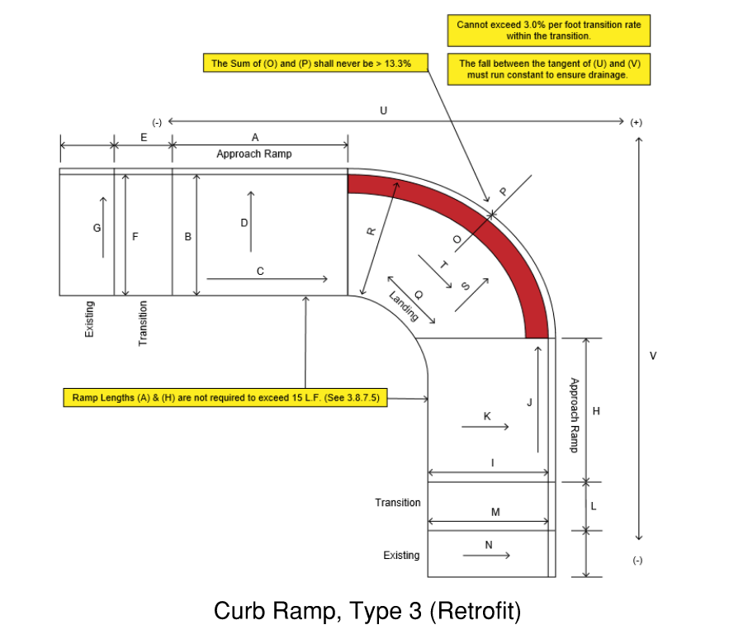

 |  |  |  |  |  |  |  |  |  |  |  |  |  |  |  |  |  |  |  |  |  |  |  |  |  |  |  |  |  |  |  | Crosswalk | Stop Bar Offset | Compliant | Tech. Feasible
 |  |  |  |  |  |  |  |  |  |  |  |  |  |  |  |  |  |  |  |  |  |  |  |  | Drainage | Curb Height (In.) | Constraint | Pinch Point Width (In.) |  | Vertical Difference

 |  |  |  | Approach Ramp |  |  |  | Approach Ramp |  |  |  | Counter Slope |  | Landing |  |  |  | Road Profile
Date | Ramp ID | Loc. | Dir. | A | B | C | D | E | F | G | H | I | J | K | L | M | N | O | P | O + P | Q | R | S | T |  |  |  |  | Gap (In.) |  | Height (In.) |  |  |  |  | Comments
 |  |  |  | Feet | Inches | % | % | Inches | Inches | % | Feet | Inches | % | % | Inches | Inches | % | % | % | % | Inches | Inches | % | % |  |  |  |  |  |  |  | Feet | Feet

 | Contract No. |  | #REF! |  |  | ADA Reviewer |  | #REF! |  |  |  |  |  | Field Inspector |  |  | #REF!

 | F.A.P. No. |  | #REF! |  |  | ADA Coordinator |  | #REF! |  |  |  |  |  | Project Supervisor |  |  | #REF!

Type 4
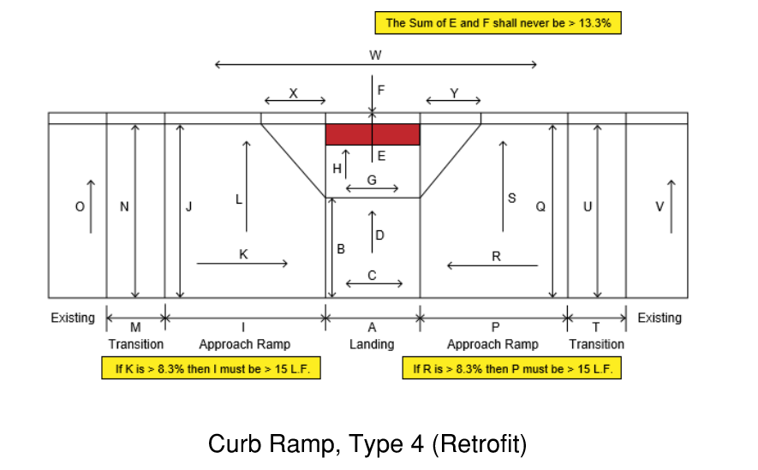

 |  |  |  |  |  |  |  |  |  |  |  |  |  |  |  |  |  |  |  |  |  |  |  |  |  |  |  |  |  |  |  |  | Crosswalk | Stop Bar Offset | Compliant | Practical Exception
 |  |  |  |  |  |  |  |  |  |  |  |  |  |  |  |  |  |  |  |  |  |  |  |  |  |  |  | Constraint | Pinch Point Width (In.) |  | Vertical Difference

 |  |  |  | Landing |  |  |  | Counter Slope |  |  | Ramp |  | Approach Ramp |  |  |  | Approach Ramp |  |  |  | Road | Apron
Date | Ramp ID | Loc. | Dir. | A | B | C | D | E | F | E+F | G | H | I | J | K | L | M | N | O | P | Q | R | S | T | U | V | W |  |  | Gap (In.) |  | Height (In.) |  |  |  |  | Comments
 |  |  |  | Inches | Inches | Inches | % | % | % | % | Inches | % | Feet | Inches | % | % | Inches | Inches | % | Inches | Inches | % | % | Inches | Inches | % | Inches |  |  |  |  |  | Feet | Feet

 | Contract No. | #REF! |  |  |  | ADA Reviewer |  |  | #REF! |  |  |  |  |  |  |  |  |  | Field Inspector |  |  | #REF!

 | F.A.P. No. | #REF! |  |  |  | ADA Coordinator |  |  | #REF! |  |  |  |  |  |  |  |  |  | Project Supervisor |  |  | #REF!

Type 5
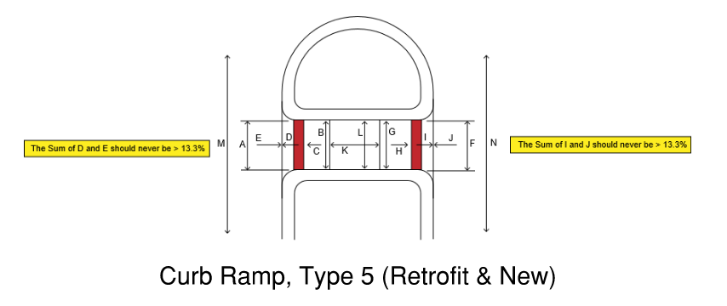

 |  |  |  |  |  |  |  |  |  |  |  |  |  |  |  |  |  |  |  |  |  |  |  |  |  |  |  | Crosswalk | Stop Bar Offset | Compliant | Practical Exception
 |  |  |  |  |  |  |  |  |  |  |  |  |  |  |  |  |  |  |  |  |  | Drainage | Constraint | Pinch Point Width (In.) |  | Vertical Difference

 |  |  |  | Ramp A |  |  | Counter Slope |  |  | Ramp B |  |  | Counter Slope |  |  | Landing |  |  |  | Road Grades
Date | Ramp ID | Loc. | Dir. | A | B | C | D | E | D+E | F | G | H | I | J | I+J | K | K | L | L | M | N |  |  |  | Gap (In.) |  | Height (In.) |  |  |  |  | Comments
 |  |  |  | Inches | % | % | % | % | % | Inches | % | % | % | % | % | Inches | % | Inches | % | % | % |  |  |  |  |  |  | Feet | Feet

 | Contract No. | #REF! |  |  |  | ADA Reviewer |  |  | #REF! |  |  |  |  |  |  | Field Inspector |  |  | #REF!

 | F.A.P. No. | #REF! |  |  |  | ADA Coordinator |  |  | #REF! |  |  |  |  |  |  | Project Supervisor |  |  | #REF!

